Regular Registration
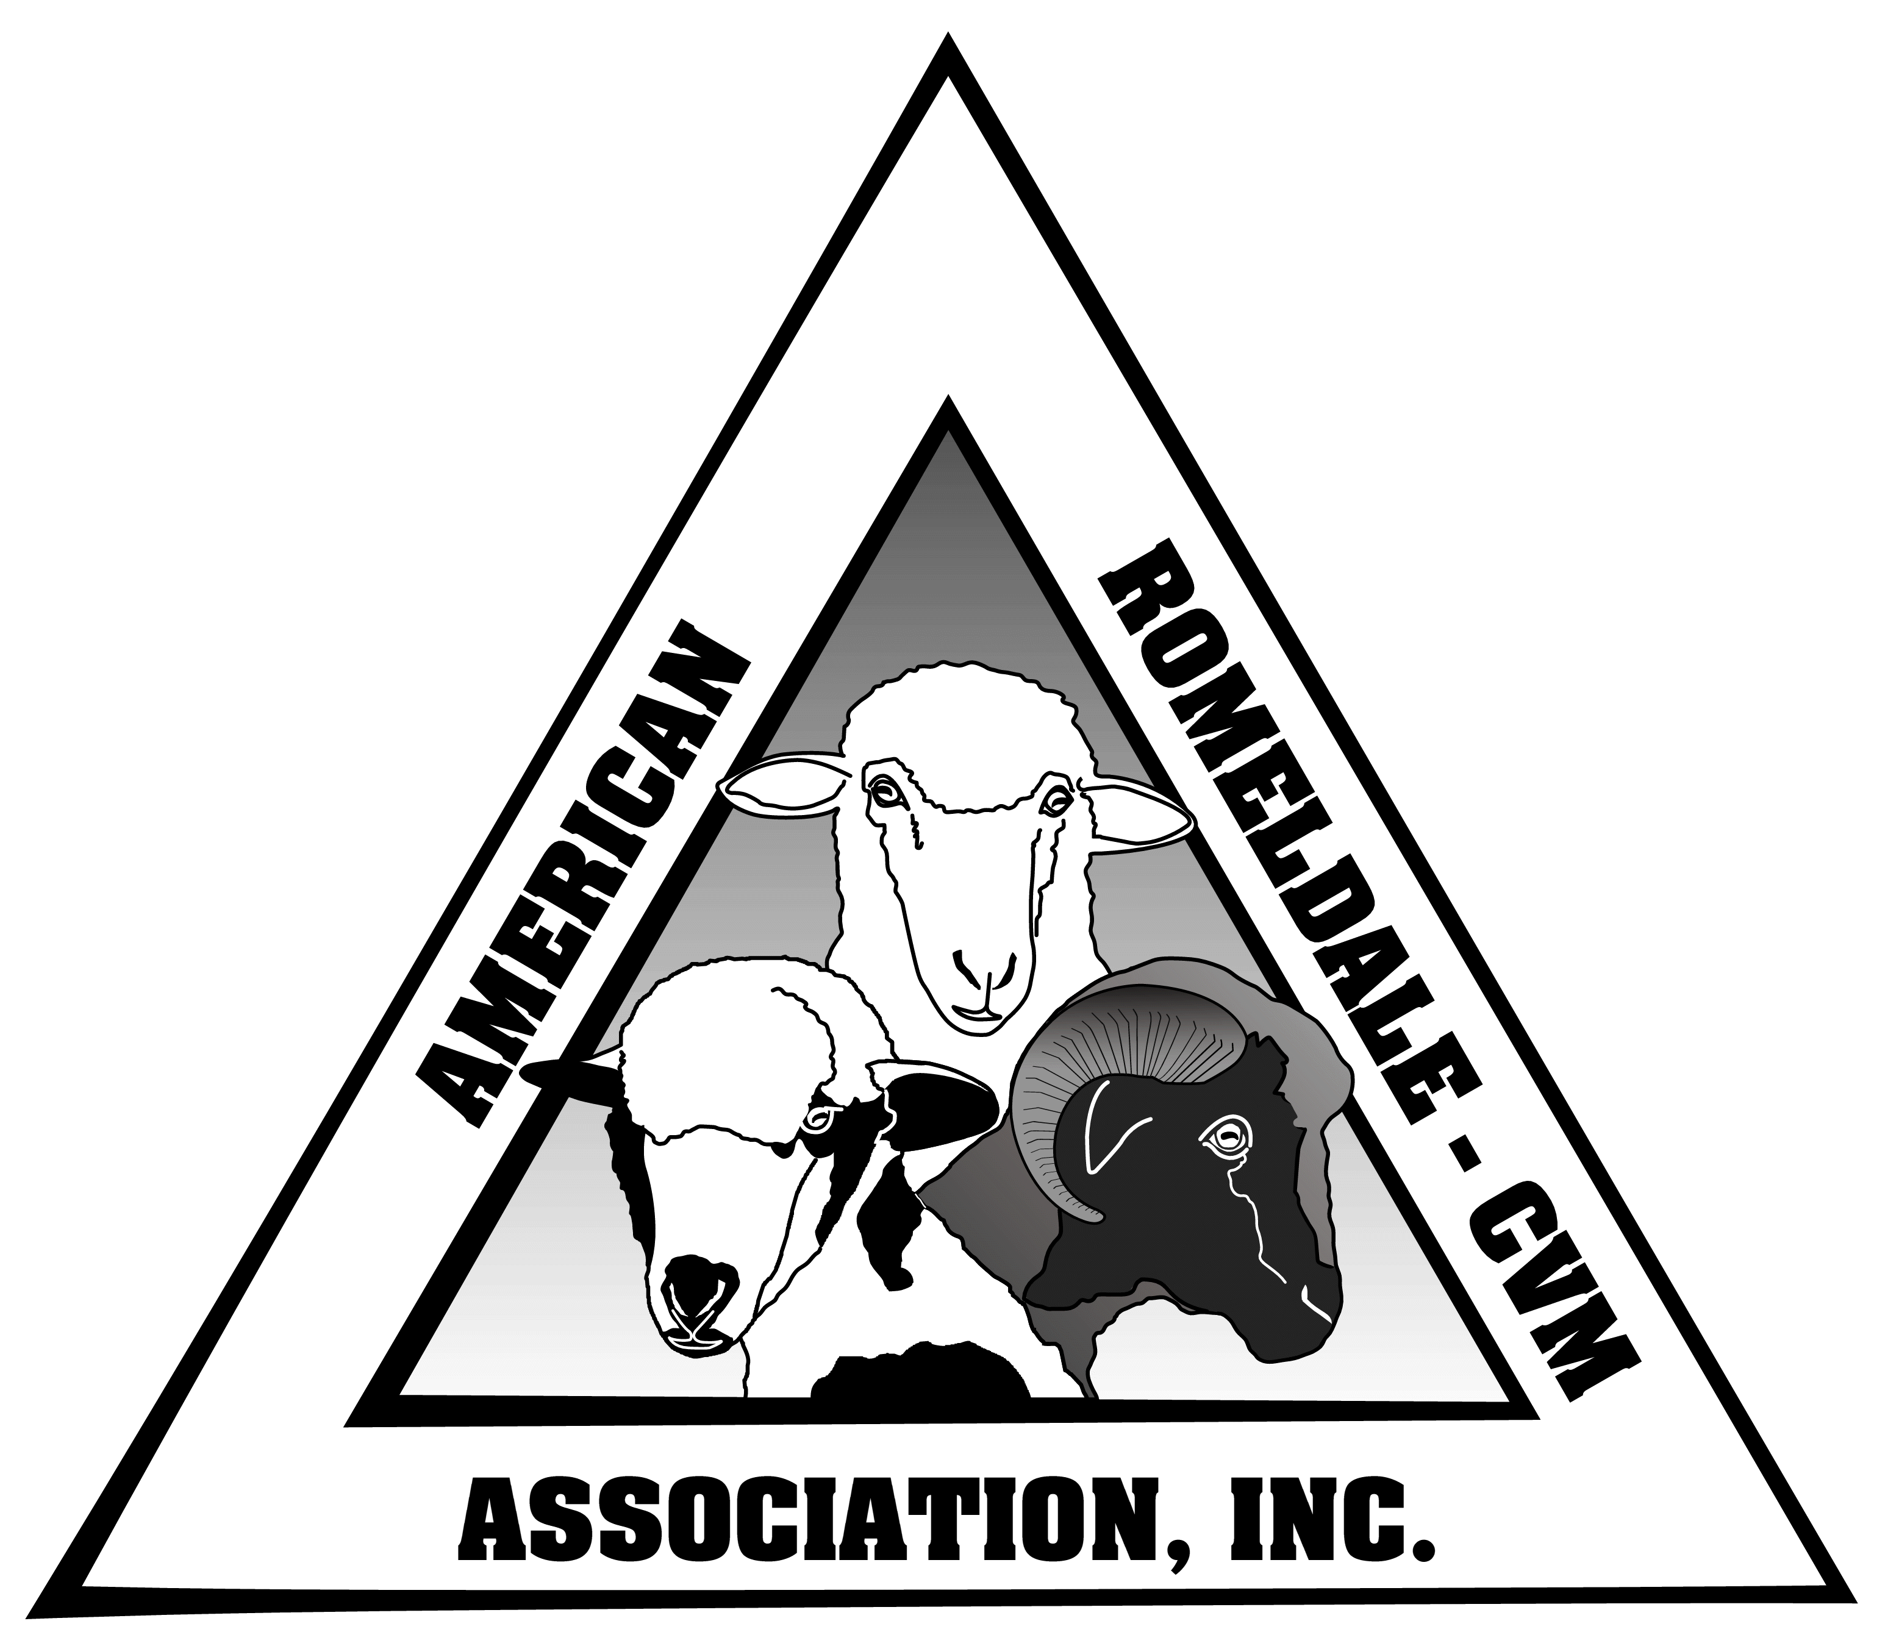 |  |  | American Romeldale-CVM Association Inc. Regular Registration Application
**Farms should use initials for their farm, the animal's name, and Scrapie ear tag #, (animal number and the premises number (assigned by each state). Example: FCF Aidan 0504 May be 2- 4 digits (some farms may have same prefix as others). |  |  |  |  | 1. Type or Print Legibly 2. Check your application for errors 3. Proper fees must accompany work This form has 2 pages |  |  |  |  | Must be members in good standing to apply. arca@glmregistry.com |  | Optional test for spider gene: Negative results of QR or RR desired
Breeder |  |  |  |  | Member Number |  |  | Farm Name
Office Use Only New ARCA # | **Sheep Official Name | Scrapie ear tag # (required). | Ram or Ewe | Date of Birth | Single - s Twin- tw Triplet - t | Horns-h Scurs-s Polled-p | Color* See Back Page | Parent | ARCA Reg. # | ARCR or NRCR Reg. # | Private Flock Tag /Scrapie tag | Sire Codon Results
 |  |  |  |  |  |  |  | Sire
 |  |  |  |  |  |  |  | Dam
 | Transfer Date: |  |  | Sold to: |  |  |  |  |  |  |  | Member #
 |  |  |  |  |  |  |  | Sire
 |  |  |  |  |  |  |  | Dam
 | Transfer Date: |  |  | Sold to: |  |  |  |  |  |  |  | Member #
 |  |  |  |  |  |  |  | Sire
 |  |  |  |  |  |  |  | Dam
 | Transfer Date: |  |  | Sold to: |  |  |  |  |  |  |  | Member #
 |  |  |  |  |  |  |  | Sire
 |  |  |  |  |  |  |  | Dam
 | Transfer Date: |  |  | Sold to: |  |  |  |  |  |  |  | Member #
 |  |  |  |  |  |  |  | Sire
 |  |  |  |  |  |  |  | Dam
 | Transfer Date: |  |  | Sold to: |  |  |  |  |  |  |  | Member #
 |  |  |  |  |  |  |  | Sire
 |  |  |  |  |  |  |  | Dam
 | Transfer Date: |  |  | Sold to: |  |  |  |  |  |  |  | Member #
 |  |  |  |  |  |  |  | Sire
 |  |  |  |  |  |  |  | Dam
 | Transfer Date: |  |  | Sold to: |  |  |  |  |  |  |  | Member #
Please attached signed bill of sale if you are not the breeder registering the animal.

